profit by segment
Sum of Profit | Column Labels
Row Labels | 2013 | 2014 | Grand Total
Channel Partners | 289889.28 | 1026913.86 | 1316803.14
Enterprise | -193757.5 | -420788.125 | -614545.625
Government | 2886645.28 | 8501527.89 | 11388173.17
Midmarket | 151763.45 | 508339.625 | 660103.075
Small Business | 743924 | 3399244.5 | 4143168.5
Grand Total | 3878464.51 | 13015237.75 | 16893702.26

Sum of Sales | Column Labels
Row Labels | 2013 | 2014 | Grand Total
Channel Partners | 398090.28 | 1402503.36 | 1800593.64
Enterprise | 4049562.5 | 15562131.875 | 19611694.375
Government | 13085685.28 | 39418575.39 | 52504260.67
Midmarket | 546243.45 | 1835639.625 | 2381883.075
Small Business | 8335674 | 34092244.5 | 42427918.5
Grand Total | 26415255.51 | 92311094.75 | 118726350.26

Row Labels | Count of Segment
Channel Partners | 100
Enterprise | 100
Government | 300
Midmarket | 100
Small Business | 100
Grand Total | 700

Sum of Units Sold | Column Labels
Row Labels | 2013 | 2014 | Grand Total
Channel Partners | 36067 | 125196.5 | 161263.5
Enterprise | 35361 | 133191 | 168552
Government | 123431 | 347242.5 | 470673.5
Midmarket | 39448 | 132730 | 172178
Small Business | 30367 | 122772 | 153139
Grand Total | 264674 | 861132 | 1125806

 | Column Labels
Row Labels | Grand Total
Grand Total

Segment
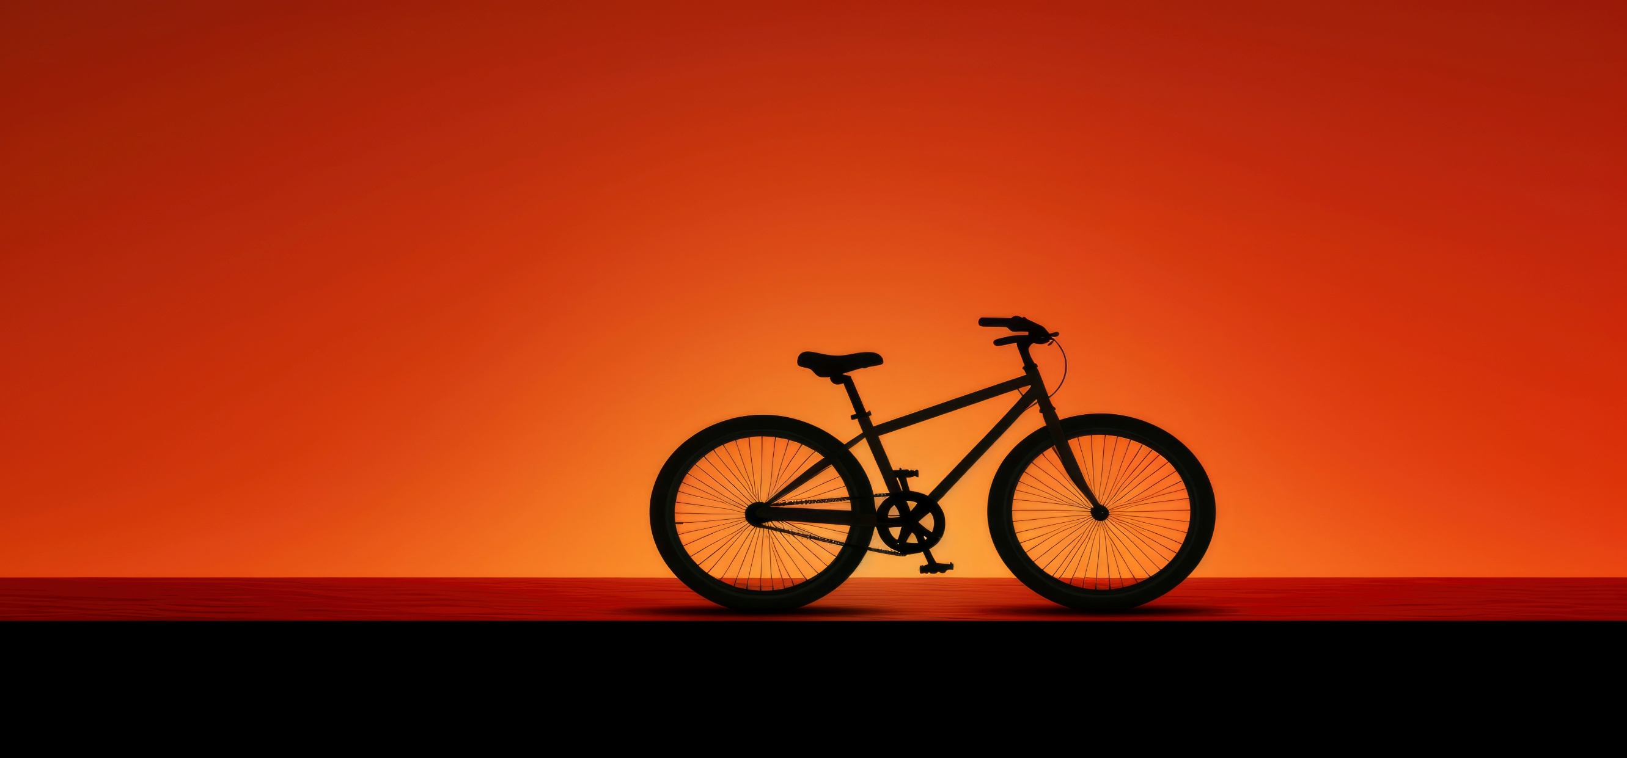
 | 2013 | 2014
Channel Partners | 289889.28 | 1026913.86
Enterprise | -193757.5 | -420788.125
Government | 2886645.28 | 8501527.89
Midmarket | 151763.45 | 508339.625
Small Business | 743924 | 3399244.5
 | 2013 | 2014
Channel Partners | 398090.28 | 1402503.36
Enterprise | 4049562.5 | 15562131.875
Government | 13085685.28 | 39418575.39
Midmarket | 546243.45 | 1835639.625
Small Business | 8335674 | 34092244.5
 | Total
Channel Partners | 100
Enterprise | 100
Government | 300
Midmarket | 100
Small Business | 100

 | 2013 | 2014
Channel Partners | 36067 | 125196.5
Enterprise | 35361 | 133191
Government | 123431 | 347242.5
Midmarket | 39448 | 132730
Small Business | 30367 | 122772

COUNTRY
PRODUCT

profit by Country
Sum of Profit | Column Labels
Row Labels | 2013 | 2014 | Grand Total
Canada | 803671.78 | 2725557.105 | 3529228.885
France | 811332.17 | 2969688.61 | 3781020.78
Germany | 1118219.47 | 2562169.35 | 3680388.82
Mexico | 592670.26 | 2314852.85 | 2907523.11
United States of America | 552570.83 | 2442969.835 | 2995540.665
Grand Total | 3878464.51 | 13015237.75 | 16893702.26
unit sold

Sum of Profit | Column Labels
Row Labels | 2013 | 2014 | Grand Total
Canada | 803671.78 | 2725557.105 | 3529228.885
France | 811332.17 | 2969688.61 | 3781020.78
Germany | 1118219.47 | 2562169.35 | 3680388.82
Mexico | 592670.26 | 2314852.85 | 2907523.11
United States of America | 552570.83 | 2442969.835 | 2995540.665
Grand Total | 3878464.51 | 13015237.75 | 16893702.26
profit country wise

Sum of Sales | Column Labels
Row Labels | 2013 | 2014 | Grand Total
Canada | 5175888.78 | 19711766.105 | 24887654.885
France | 5132795.17 | 19221377.11 | 24354172.28
Germany | 6227735.47 | 17277605.35 | 23505340.82
Mexico | 4754421.26 | 16194930.85 | 20949352.11
United States of America | 5124414.83 | 19905415.335 | 25029830.165
Grand Total | 26415255.51 | 92311094.75 | 118726350.26

Sum of Units Sold | Column Labels
Row Labels | 2013 | 2014 | Grand Total
Canada | 62291 | 185137.5 | 247428.5
France | 51326 | 189605 | 240931
Germany | 54272 | 147222 | 201494
Mexico | 49305 | 154020 | 203325
United States of America | 47480 | 185147.5 | 232627.5
Grand Total | 264674 | 861132 | 1125806

Row Labels | Count of Country
Canada | 140
France | 140
Germany | 140
Mexico | 140
United States of America | 140
Grand Total | 700

Country
 | 2013 | 2014
Canada | 62291 | 185137.5
France | 51326 | 189605
Germany | 54272 | 147222
Mexico | 49305 | 154020
United States of America | 47480 | 185147.5
 | 2013 | 2014
Canada | 803671.78 | 2725557.105
France | 811332.17 | 2969688.61
Germany | 1118219.47 | 2562169.35
Mexico | 592670.26 | 2314852.85
United States of America | 552570.83 | 2442969.835

 | 2013 | 2014
Canada | 5175888.78 | 19711766.105
France | 5132795.17 | 19221377.11
Germany | 6227735.47 | 17277605.35
Mexico | 4754421.26 | 16194930.85
United States of America | 5124414.83 | 19905415.335
 | Total
Canada | 140
France | 140
Germany | 140
Mexico | 140
United States of America | 140

PRODUCT
SEGMENT

profit by product
Sum of Profit | Column Labels
Row Labels | 2013 | 2014 | Grand Total
Amarilla | 781949.53 | 2032154.53 | 2814104.06
Carretera | 38768.86 | 1788036.025 | 1826804.885
Montana | 457758.04 | 1656996.84 | 2114754.88
Paseo | 1099853.09 | 3697584.86 | 4797437.95
Velo | 621949.76 | 1684042.705 | 2305992.465
VTT | 878185.23 | 2156422.79 | 3034608.02
Grand Total | 3878464.51 | 13015237.75 | 16893702.26

Sum of Sales | Column Labels
Row Labels | 2013 | 2014 | Grand Total
Amarilla | 3519132.53 | 14227983.53 | 17747116.06
Carretera | 1406865.86 | 12408442.025 | 13815307.885
Montana | 3975783.04 | 11415018.84 | 15390801.88
Paseo | 5914747.09 | 27096396.86 | 33011143.95
Velo | 6197299.76 | 12052759.705 | 18250059.465
VTT | 5401427.23 | 15110493.79 | 20511921.02
Grand Total | 26415255.51 | 92311094.75 | 118726350.26

Row Labels | Count of Product
Amarilla | 94
Carretera | 93
Montana | 93
Paseo | 202
Velo | 109
VTT | 109
Grand Total | 700

Sum of Units Sold | Column Labels
Row Labels | 2013 | 2014 | Grand Total
Amarilla | 33688 | 121627 | 155315
Carretera | 31404 | 115442 | 146846
Montana | 36280 | 117918 | 154198
Paseo | 82247 | 255992.5 | 338239.5
Velo | 39471 | 122953.5 | 162424.5
VTT | 41584 | 127199 | 168783
Grand Total | 264674 | 861132 | 1125806

Product
 | 2013 | 2014
Amarilla | 781949.53 | 2032154.53
Carretera | 38768.86 | 1788036.025
Montana | 457758.04 | 1656996.84
Paseo | 1099853.09 | 3697584.86
Velo | 621949.76 | 1684042.705
VTT | 878185.23 | 2156422.79
 | 2013 | 2014
Amarilla | 3519132.53 | 14227983.53
Carretera | 1406865.86 | 12408442.025
Montana | 3975783.04 | 11415018.84
Paseo | 5914747.09 | 27096396.86
Velo | 6197299.76 | 12052759.705
VTT | 5401427.23 | 15110493.79
 | 2013 | 2014
Amarilla | 33688 | 121627
Carretera | 31404 | 115442
Montana | 36280 | 117918
Paseo | 82247 | 255992.5
Velo | 39471 | 122953.5
VTT | 41584 | 127199

 | Total
Amarilla | 94
Carretera | 93
Montana | 93
Paseo | 202
Velo | 109
VTT | 109

SEGMENT
COUNTRY

